Application Standard
 |  |  |  | SOFTWARE STANDARD

I. Architecture Standard
1. Monolithic Architecture With Simple & Lightweight Application
1.1 What is monolithic architecture?
1.2 Hardware requirements
1.3 Minimum operating costs on Amazon Web Service
1.4 Technology and Solution
2. Microservice architecture with Large Project & Super Project
2.1 What is Microservices architecture?
2.2 Hardware requirements for java application
2.3 Minimum operating costs on Amazon Web Service
2.4 Technology and Solution
2.5 System Main Follow
II. BackEnd Standard
III. Standard and Solution Security
IV. Application's Functions Standard
V. Projects Have Designed

I. Architecture standard

 | 1. Monolithic Architecture With Simple & Lightweight Application

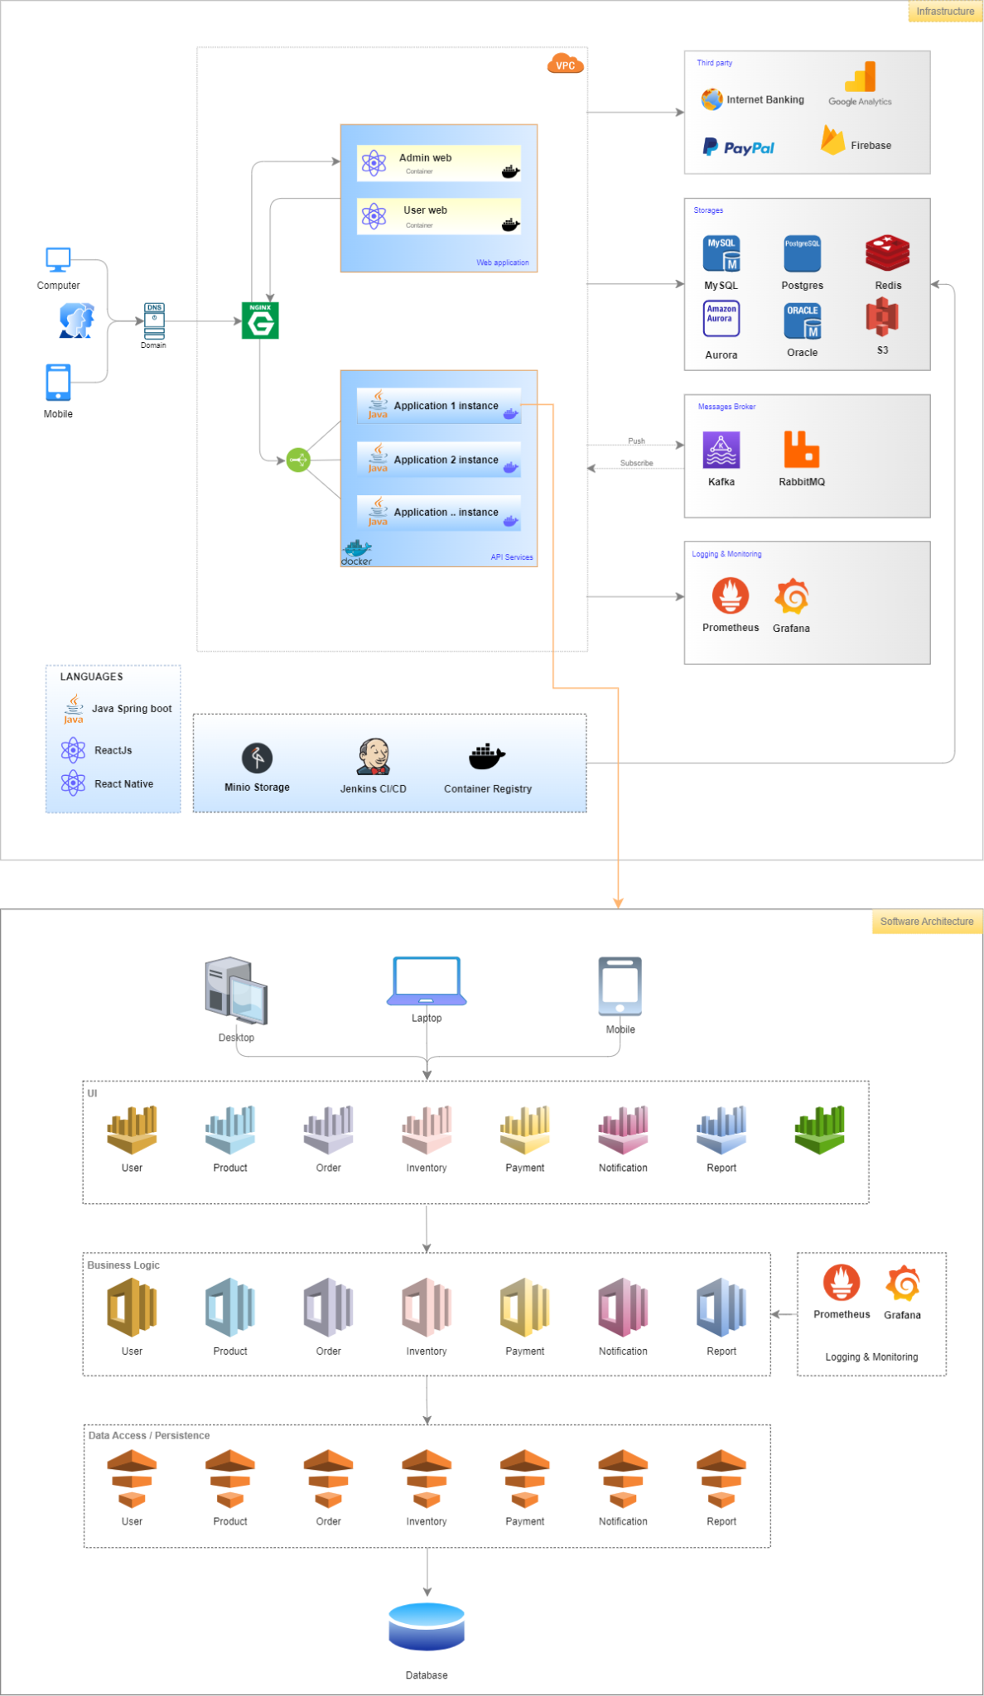

 | 1.1 What is monolithic architecture?
 | A monolithic architecture is a traditional model of a software program, which is built as a unified unit that is self-contained and independent from other applications. The word “monolith” is often attributed to something large and glacial, which isn’t far from the truth of a monolith architecture for software design. A monolithic architecture is a singular, large computing network with one code base that couples all of the business concerns together. To make a change to this sort of application requires updating the entire stack by accessing the code base and building and deploying an updated version of the service-side interface. This makes updates restrictive and time-consuming. Monoliths can be convenient early on in a project's life for ease of code management, cognitive overhead, and deployment. This allows everything in the monolith to be released at once.

 | ● Advantages
 | Organizations can benefit from either a monolithic or microservices architecture, depending on a number of different factors. When developing using a monolithic architecture, the primary advantage is fast development speed due to the simplicity of having an application based on one code base. The advantages of a monolithic architecture include: Easy deployment – One executable file or directory makes deployment easier. Development – When an application is built with one code base, it is easier to develop. Performance – In a centralized code base and repository, one API can often perform the same function that numerous APIs perform with microservices. Simplified testing – Since a monolithic application is a single, centralized unit, end-to-end testing can be performed faster than with a distributed application. Easy debugging – With all code located in one place, it’s easier to follow a request and find an issue. That said, the monolithic approach is usually better for simple, lightweight applications. Software development costs will be cheaper than microservices architecture

 | ● Disadvantages
 | As with the case of Netflix, monolithic applications can be quite effective until they grow too large and scaling becomes a challenge. Making a small change in a single function requires compiling and testing the entire platform, which goes against the agile approach today’s developers favor. The disadvantages of a monolith include: Slower development speed – A large, monolithic application makes development more complex and slower. Scalability – You can’t scale individual components. Reliability – If there’s an error in any module, it could affect the entire application’s availability. Barrier to technology adoption – Any changes in the framework or language affects the entire application, making changes often expensive and time-consuming. Lack of flexibility – A monolith is constrained by the technologies already used in the monolith. Deployment – A small change to a monolithic application requires the redeployment of the entire monolith.

 | ● Recommend:
 | Suitable for Ecomerce, New plaftform, CRM, Site content, Media streaming, Fintech, CRM & ERP.

 | 1.2 Hardware requirements
 | ・Processor: x86 or x64
 | ・RAM : 512 MB (minimum), 1 GB (recommended)
 | ・Hard disk: up to 200 MB of available space may be required. However, 50 MB free space is required in boot drive even if you are installing in other drive.

 | 1.3 Minimum operating costs on Amazon Web Service
 | ・Pay as you go
 | ・Depending on usage as: RAM, CPU, Storage,..

 | 1.4 Technology and Solution
 |  | Deployment: Containerize every applications
 |  | ● Containerize/ orchestration/ tool:
 |  | ・Container deployment type: Docker
 |  | ・Orchestration with Kubernetes
 |  | ・Rancher: UI
 |  | ● Source code control : GitLab Global (https://gitlab.com) - Private Project
 |  | ● CI/CD: GitLab CI/Jenkin
 |  | ● Server: all in AWS and use some service of AWS like
 |  | ・R53, EC2, ELB (Elastic Load Blancer), DB (RDS, DocumentDB - Mongo)
 |  | ・CloudFront, S3: stogare image
 |  | ・CloudWatch: monitor server
 |  | ● Message Broker/Queue
 |  | ・RabbitMQ
 |  | ・Kafka
 |  | ● Logging and Monitoring
 |  | ・Prometheus and Grafana
 |  | ● Database
 |  | ・RDBMS: Oralce, MySQL, Postgres
 |  | ・NoSQL: MogoDB, DocumentDB
 |  | ・Cache: Redis
 |  | ● Language
 |  | ・BackEnd: Java Spring Boot, .NET, PHP, NodeJS, Golang
 |  | ・FrontEnd: ReactJS, Angular
 |  | ・App: ReactNative/Flutter
 |  | ● Third Party/External
 |  | ・Google Firebase: for notification
 |  | ・Google Analytic: for get statistic
 |  | ・Payments: Stripe, Paypal, Internet Banking

 | 2. Microservice architecture with Large Project & Super Project

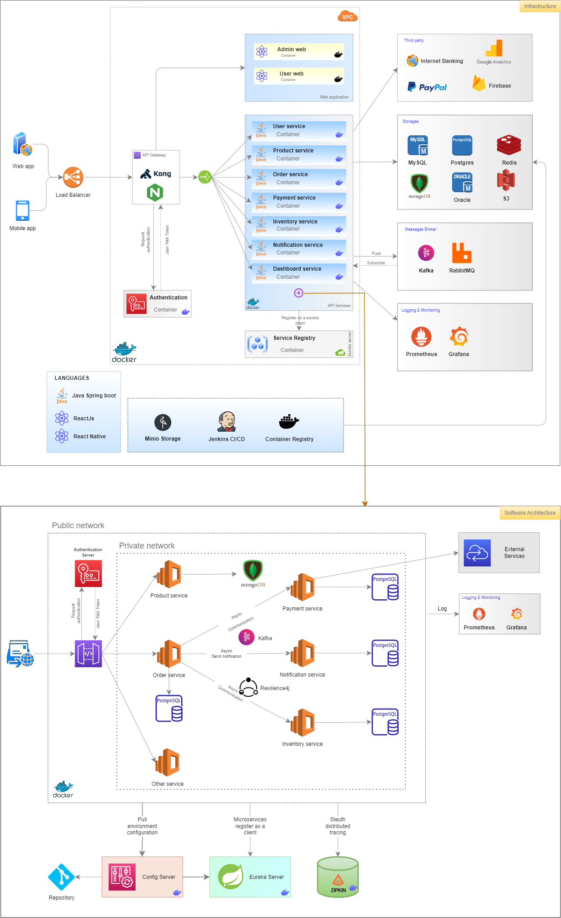

 | 2.1 What is Microservices architecture?
 | Microservices allow a large application to be separated into smaller independent parts, with each part having its own realm of responsibility. To serve a single user request, a microservices-based application can call on many internal microservices to compose its response. Containers are a well-suited microservices architecture example, since they let you focus on developing the services without worrying about the dependencies. Modern cloud-native applications are usually built as microservices using containers. MSA supports modular applications where any single module in a system, such as a microservice, can be changed independently without affecting the other parts of the program and without creating unanticipated changes within other elements. Modular programs are also more adaptable to iterative development processes and Agile practices compared to monolithic programs. They are also more scalable and can be tested individually due to loose coupling between the various components. Modules also communicate with each other, have their own databases and increase application startup speed. Typically, microservices are used to speed up application development. Microservices architectures built using Java are common, especially Spring Boot ones. It’s also common to compare microservices versus service-oriented architecture.

 | ● Advantages
 | Lower Costs & Increased Efficiency Microservices are typically simpler and more efficient than monolithic applications, which can result in lower costs overall. In addition, because microservices are self-contained, they don’t require the same level of coordination and communication that is needed for monolithic applications. By allowing organizations to use the right technology for the task at hand, microservices can improve efficiency and a reduction in the number of errors. For example, you might choose a different technology stack for each microservice, which can lead to increased performance and scalability. Increased Agility and Scalability Microservices can be scaled horizontally very easily, which makes them ideal for situations where scalability is a must. Additionally, because microservices are small and modular, they can be deployed much more quickly than traditional monolithic applications. This increased agility can be a major advantage for organizations that need to respond quickly to changes in the market. Easier Maintenance and Updating Since microservices are small and self-contained, it’s much easier to update them than it is to update a monolithic application. In addition, since each microservice is responsible for a specific task, there is less chance of errors occurring when updates are made. This makes maintenance and updating much less risky and time-consuming. Faster Time to Market Microservices can also help organizations get their products to market faster. By breaking an application down into smaller, more manageable pieces, it’s often possible to get a product to market more quickly than if a monolithic approach was used. Improved Fault Tolerance Microservices are more fault-tolerant than monolithic applications because if one microservice fails, it doesn’t bring down the entire application. This is because microservices are small and modular, which means that they can be independently deployed and managed. Fault isolatio

 | ● Disadvantages
 | Higher Complexity Although microservices offer many advantages, they also come with a higher degree of complexity. This complexity can be a major challenge for organizations that are not used to working with microservices. Additionally, because microservices are so independent, it can be difficult to track down errors and resolve them. Increased Network Traffic Since microservices are designed to be self-contained, they rely heavily on the network to communicate with each other. This can result in slower response times (network latency) and increased network traffic. In addition, it can be difficult to track down errors that occur when multiple microservices are communicating with each other. Increased Development Time Microservices also require more development time than monolithic applications since microservices are more complicated and require more coordination. Additionally, because microservices are deployed independently, it can take longer to get them all up and running. Also, developers need to be familiar with multiple technologies in order to work on a microservice-based application. Limited Reuse of Code Microservices also have a limited ability to reuse code, which can lead to increased development time and costs because microservices are typically written in multiple programming languages and use different technology stacks. Therefore, it can be challenging to share code between microservices. Dependency on DevOps In order to be successful with microservices, organizations need to have a strong DevOps team in place. This is due to the fact DevOps is responsible for deploying and managing microservices. Without a good DevOps team, it can be difficult to successfully implement and manage a microservice-based application. Difficult in Global Testing and Debugging Testing and debugging a microservice-based application can be difficult because the application is spread out across multiple servers and devices. In order to effectively tes

 | ● Recommend
 | Batch Processing: In batch processing, a large number of tasks are batched together and processed as a single unit. This can be done using microservices to improve performance and efficiency.

 | Data Analysis: When performing data analysis, it’s often necessary to access data from multiple sources. Microservices can be used to aggregate data from multiple sources and perform the analysis on the aggregated data.

 | IoT Applications: The Internet of Things is becoming increasingly popular, and microservices can be used to develop IoT applications. By using microservices, it’s possible to create small, lightweight applications that can be easily deployed and managed.

 | Mobile Applications: Mobile applications are often developed using monolithic architecture. However, microservices can be used to improve the performance and scalability of mobile applications.

 | Web Applications: Web applications are typically developed using a monolithic or SOA architecture, but the performance and scalability of web applications can be enhanced with microservices.

 | Cloud Computing: Cloud computing is a popular way to manage large applications. By using microservices, it’s possible to break down large applications into manageable chunks that can be deployed and managed in the cloud.

 | Containerization: Containerization is a new technology that allows applications to be run in isolated containers. By using microservices, it’s possible to deploy and manage multiple applications in a single container.

 | Data Streaming: In data streaming, large amounts of data are streamed from one or more sources and processed as they arrive. This can be done using microservices to improve performance and efficiency.

 | ETL (Extract, Transform, Load): ETL is a process used to extract data from one or more sources, transform the data into the desired format, and load it into a database or other data store. Microservices can be leveraged to improve the performance and scalability of ETL processes.

 | Transactions and invoices: Payment processing and ordering can be separated as independent units of services so payments continue to be accepted if invoicing is not working.

 | Media content: Using microservices architecture, images and video assets can be stored in a scalable object storage system and served directly to web or mobile.

 | 2.2 Hardware requirements for java application
 | ・RAM : At least 4G
 | ・Disk Space : 300 MB for JRE, 2 MB for Java Update
 | ・Processor : Minimum Processor supporting HT Technology 3.00E GHz, 1M Cache, 800 MHz FSB

 | 2.3 Minimum operating costs on Amazon Web Service
 | ・Pay as you go
 | ・Depending on usage as: RAM, CPU, Storage,..

 | 2.4 Technology and Solution
 |  | Deployment: Containerize all services
 |  | ● Containerize/ orchestration/ tool:
 |  | ・Container deployment type: Docker
 |  | ・Orchestration with Kubernetes
 |  | ・Rancher: UI
 |  | ● Load balancing:
 |  | ・ Kong/Nginx
 |  | ● Source code control : GitLab Global (https://gitlab.com) - Private Project
 |  | ● CI/CD: GitLab CI/Jenkin
 |  | ● Server: all in AWS and use some service of AWS like
 |  | ・R53, EC2, ELB (Elastic Load Blancer), DB (RDS, DocumentDB - Mongo)
 |  | ・CloudFront, S3: stogare image
 |  | ・CloudWatch: monitor server
 |  | ● Message Broker/Queue
 |  | ・RabbitMQ
 |  | ・Kafka
 |  | ● Logging and Monitoring
 |  | ・Prometheus and Grafana
 |  | ● Database
 |  | ・RDBMS: Oralce, MySQL, Postgres
 |  | ・NoSQL: MogoDB, DocumentDB
 |  | ・Cache: Redis
 |  | ● Language
 |  | ・BackEnd: Java Spring Boot, .NET, PHP, NodeJS, Golang
 |  | ・FrontEnd: ReactJS, Angular
 |  | ・App: ReactNative/Flutter
 |  | ● Third Party/External
 |  | ・Google Firebase: for notification
 |  | ・Google Analytic: for get statistic
 |  | ・Payments: Stripe, Paypal, Internet Banking

 | 2.5 System Main Follow
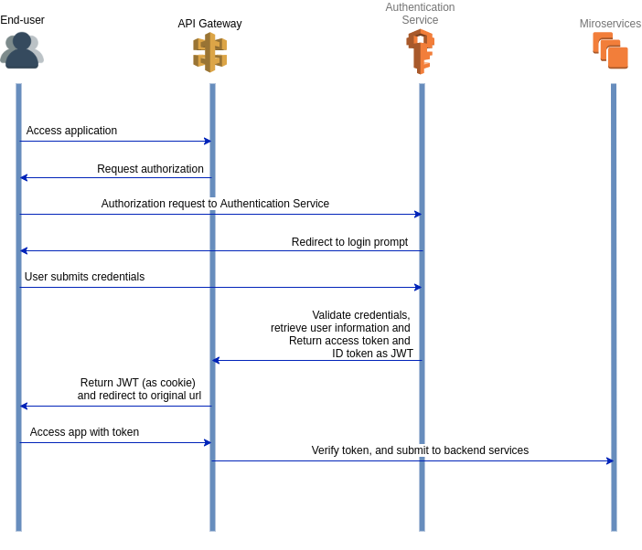

II. BackEnd Standard
 | API's standard

III. Standard and Solution Security
 | ● Hardware security
 | ・Update and upgrade the system regularly to update security patches if any
 | ・Turn off or remove unnecessary servers and ports
 | ・Setup Firewall
 | ・Hide server information
 | ・Check and monitor strange operation
 | ・Limit DDos and Brute Force by rate limit and Fail2ban
 | ・Backup server
 | ・Access server should use SSH with the passphrase
 | ・Change the traditional default port to another port
 | ・Private network. Only open the api-gateway public access to the outside

 | ● Software security |  | `
 | ・Use HTTPS
 | ・All requests throughtout only one gateway
 | ・All requests need to be authenticated by Json Web Token
 | ・With sensitive data, you need to encrypt it
 | ・Perform decentralization for each user
 | ・Password Mechanism: The system will not store the user’s password in plain-text, it will use password hashing in order to increase the security level of the system. Hash algorithms are one way functions.

IV. Application's Functions Standard
 | ● Authentication |  |  |  | Explain:
 | ・Generate Json Web Token
 | ・Refresh Json Web Token |  |  |  |  | No charge
 | ・Forgot password
 | ● Authorization |  |  |  |  | Charge
 | ・Grant access permission
 | ・Verify access permission
 | ● Send email
 | ・Send email with simple text
 | ・Send email with simple text and attack file
 | ● Upload file to AWS
 | ● Multi language
 | ● User management
 | ・Create new user
 | ・Update new user
 | ・Block user
 | ・Search user by name
 | ● Backup Database Periodic
 | ・Daily/Weekly
 | ● Logging & Monitoring
 | ・Grafana: Visualize metrics, logs, and traces from multiple sources like Prometheus
 | ・Prometheus: Monitoring system & time series database
 | ● Customer's requirement will be inject here !

V. Projects Have Designed
 | 1. CRM-System Project
 |  | ● Customer: | Singapore
 |  | ● Domain: | Financial and Investment
 |  | ● Description: | CRM-System application is designed to manage clients and portfolios of client
 |  | ● Architecture: | Monolithic
 |  | ● Duration: | July 4, 2022 ~ Octorber 31, 2022
 |  | ● Team size: | 1PM, 1 Tech Leader, 3BA, 7 Developers
 |  | ● Deployment: | Amazon web service: EC2, RDS, S3
 |  | ● Technical stack | ・Java 8
 |  |  | ・Spring boot 2.6.4
 |  |  | ・Spring boot security
 |  |  | ・Spring boot jwt
 |  |  | ・Spring boot jpa
 |  |  | ・Spring boot actuator
 |  |  | ・Postgres
 |  |  | ・Swagger 3.0
 |  |  | ・Docker
 |  |  | ・Grafana & Prometheus
 |  |  | ・Socket
 |  |  | ・Encript data
 |  |  | ・ReactJs (FrontEnd)
 |  | ● Functions: | ・User management
 |  |  | ・Client management
 |  |  | ・Pofortfolio management
 |  |  | ・Exception management
 |  |  | ・Document management
 |  |  | ・Task management
 |  |  | ・Client Call Report management
 |  |  | ・Audit log
 |  |  | ・Setting system
 |  |  | ・Dashboard
 |  |  | ・Push notification

 | 2. SMDC System
 |  | ● Customer: | Korea
 |  | ● Domain: | Supermarket & Logistic
 |  | ● Description: | SMDC application is designed to manage supliers, vendors, warehouse, stores
 |  | ● Architecture: | Microservices
 |  | ● Duration: | August 01, 2021 ~ Now
 |  | ● Team size: | 1PM, 1 Tech Leader, 1~3BA, 8 Developers
 |  | ● Deployment: | Amazon web service: EC2, RDS, S3
 |  | ● Technical stack | ・Java 8
 |  |  | ・Spring boot 2.6.4
 |  |  | ・Spring boot security
 |  |  | ・Spring boot oauth2
 |  |  | ・Spring boot jpa
 |  |  | ・Spring boot actuator
 |  |  | ・Spring boot redis cache
 |  |  | ・Spring boot kafka
 |  |  | ・AWS translator
 |  |  | ・Jasper report
 |  |  | ・Postgres
 |  |  | ・MongoDB
 |  |  | ・Redis server
 |  |  | ・Postgres
 |  |  | ・MongoDB
 |  |  | ・Redis
 |  |  | ・Swagger 3.0
 |  |  | ・Docker
 |  |  | ・Grafana & Prometheus
 |  |  | ・ReactJs (FrontEnd)
 |  | ● Microservices: | ・smdc-account service
 |  |  | ・smdc-core service
 |  |  | ・smdc-ecommerce service
 |  |  | ・smdc-iam service
 |  |  | ・smdc-notification service
 |  |  | ・smdc-product service
 |  |  | ・smdc-warehouse service
 |  |  | ・smdc-user service

